1. Title Page
Instacart Grocery Analysis

Project Name: Instacart Grocery Analysis
Date: September 11th 2023
Analyst Name: Rick Takeuchi

Contents:
Population Flow
Consistency checks
Wrangling steps
Column derivations
Visualizations
Recommendations

2. Population Flow
Title page

Population flow

Exclusion flag
Condition: max_order <
Obervations to be removed:
Final total count of order_products_all:

Orders_products_combined
Orders_products_merged
Orders_products_all

Total: 13,072,402 rows x 21 columns
Total: 13,060,458 rows x 38 columns
Total: 13,072,402 rows x 12 columns

1.) The grey boxes in the first row of the population flow represent the original data sets as they were when you downloaded them. In the Total fields you need to add the count of the rows when you imported the data set into Jupyter.
2.) The second row of boxes (coloured) represents the data sets after you manipulated them, e.g., removed missing values and duplicates. In the Total fields you need to add the count of the rows after conducting these operations. This offers a visual oveview of how the data flows throughout the data consistency checks.
3.) The third row, where also the arrows are coloured, represents the merges you performed between the datasets. In the Total fields you need to add the count of the rows in the merged datasets, so that you end up with the final dataset (in the red box). Keep in mind the final dataset should be without exclusions (based on the exclusion flag).

3. Consistency checks
 |  |  |  | Title page
Consistency checks

Dataset | Missing values | Missing values treatment | Duplicates
orders | 206, 209 missing values for the days_since_prior_order column | Replaced missing values with zero, as they represent first time orders | No duplicates found
products | 16 missing values for the product_name column | Created new dataframe without missing values | 5 duplicates; created new dataframe without duplicates
orders_products_prior | 206, 209 missing values for the days_since_prior_order column | Replaced missing values with zero, as they represent first time orders
customers | 11,259 missing values in the "First Name" column. | Missing values left as is | No duplicates found

4. Wrangling steps
 |  |  |  | Title page
Wrangling steps

Columns dropped | Columns renamed | Columns' type changed | Comment/Reason
 |  | user_id | changed to string to make consistent for merge
 | First Name |  | changed to 'first_name' for consistency across column headings
 | Surnam |  | changed to 'last_name' for clarity and consistency
 | Gender |  | changed to 'gender' to remove all caps for consistency across column headings
 | STATE |  | changed to 'state' to remove all caps for consistency across column headings
 | Age |  | changed to 'age' to remove upper case for consistency across column headings
 |  | first_name | changed to string to correct mixed data type issue
first_name |  |  | PII data removed
last_name |  |  | PII date removed

5. Column derivations
 |  |  |  | Title page

Column derivations and aggregations

In this tab you should add tables below that the frequences of flags/label variables that you produced after deriving them. NB: don't do this for continuous variables, only for flags.
Dataset | New column | Column/s it was derived from | Conditions
orders_products_merged | price_range_loc | prices | Low range product: prices <=5 Mid range product: prices >5 & <= 15 High range product: prices > 15
orders_products_merged | busiest_day | order_dow | Busiest day: order_dow = 0 Least busy: order_dow = 4 Regularly busy: all else
orders_products_merged | busiest_day | order_dow | Busiest Days: order_dow = 0 or 1 Slowest days: order_dow = 4 or 3 Regularly busy: all else
orders_products_merged | busiest_period_of_day | order_hour_of_day | Most orders: value in 10, 11, 14, 15, 13, 12, 16, 9 Fewest orders: value in 23, 6, 0, 1, 5, 2, 4, 3 Average orders: all else
orders_products_merged | max_order | user_id, order_number | Max number of orders for each user_id
orders_products_merged | loyalty_flag | max_order | Loyal customer: max_order > 40 Regular Customer: max_order <= 40 & >10 New Customer: max_order <= 10
orders_products_merged | mean_price | user_id, prices | Mean prices for each user_id
orders_products_merged | spending_flag | mean_price | Low spender: avg price < 10 High spender: avg price >= 10
orders_products_merged | median_days | user_id, days_since_prior_order | Median number of orders
orders_products_merged | frequency_flag | median_days | Non-frequent customer: median_days >20 Regular customer: median_days <= 20 & >10 Frequent customer: median_days <=10
final_subset_sample | department | department_id | departments assigned according to data dictionary derived from df_depts dataset
final_subset_sample | age_group | age | Child: age <= 16 & >= 0 Young Adult: age <= 30 & >= 17 Mid-Age Adult: age <= 45 & >= 31 Elderly Adult: age > 45
final_subset_sample | income_group | income | Low Income: income < 45000 Middle Income: income <= 130000 & >= 45000 Upper Income: income > 130000
final_subset_sample | dependents_group | n_dependents | Parent: dependents # > 0 No Children: dependents # == 0
final_subset_sample | customer_profile | fam_status, n_dependents, gender | Single parent: fam status != married & dependents # > 0 Single female without chidlren: fam status != married & gender == Female & dependents # == 0 Single male without chidlren: fam status != married & gender == Male & dependents # == 0 Married young parent: fam status == married & dependents # >0 Married without children: fam status == married & dependents # == 0
final_subset_sample | customer_income_profile | fam_status, n_dependents, gender, income_group | Low income single parent: fam status != married & dependents # > 0 & income group = Low Income Middle income single parent: fam status != married & dependents # > 0 & income group = Middle income Upper income single parent: fam status != married & dependents # > 0 & income group = Upper Income Low income single female without chidlren: fam status != married & gender == Female & dependents # == 0 & income group = Low Income Middle income single female without chidlren: fam status != married & gender == Female & dependents # == 0 & income group = Middle Income Upper income single female without chidlren: fam status != married & gender == Female & dependents # == 0 & income group = Upper Income Low income single male without chidlren: fam status != married & gender == Male & dependents # == 0 & income group = Low Income Middle income single male without chidlren: fam status != married & gender == Male & dependents # == 0 & income group = Middle Income Upper income single male without chidlren: fam status != married & gender == Male & dependents # == 0 & income group = Upper Income Low income married young parent: fam status == married & dependents # >0 & income group = Low Income Middle income married young parent: fam status == married & dependents # >0 & income group = Middle Income Upper income married young parent: fam status == married & dependents # >0 & income group = Upper Income Low income married without children: fam status == married & dependents # == 0 & income group = Low Income Middle income married without children: fam status == married & dependents # == 0 & income group = Middle Income Upper income married without children: fam status == married & dependents # == 0 & income group = Upper Income
final_subset_sample | time_period | order_hour_of_day | Before 8am: order_hour_of_day < 8 or >= 0 Between 8am and 5pm: order_hour_of_day =< 17 or >= 8 After 5pm: order_hour_of_day > 17
final_subset_sample | day | order_dow | Saturday: order day of week = 0 Sunday: order day of week = 1 Monday: order day of week = 2 Tuesday: order day of week = 3 Wednesday: order day of week = 4 Thursday: order day of week = 5 Friday: order day of week = 6

6. Visualizations
 |  |  |  |  |  |  |  | Title page

Visualisations

In this tab you should include all the visualtions from Exercises 4.9 and 4.10, alongside the questions from the project brief that they answer. Include any commentary on the relationship between different variables.

1. The sales team needs to know what the busiest days of the week and hours of the day are (i.e., the days and times with the most orders) in order to schedule ads at times when there are fewer orders.
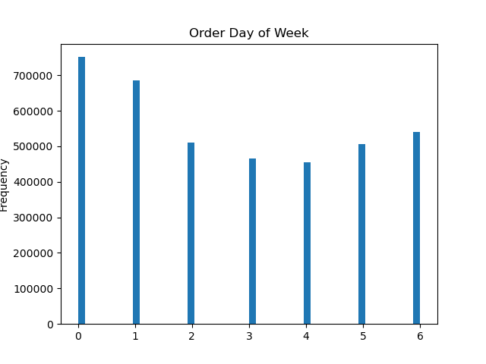
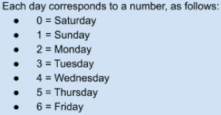
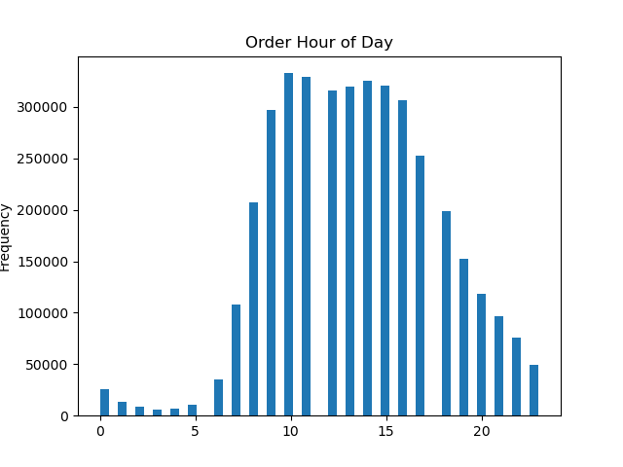

The busiest days of the week are Saturday and Sunday. Tuesday and Wednesday are the least busiest. Monday, Thursday, and Friday are in the middle ground. |  |  |  |  | The busiest hours of the day ranges from 9am to 4pm during working hours. The least busiest hours are between 10pm to 7am. The order frequency start to climb at 7am, then peak in early afternoon until it slows down during early evening.
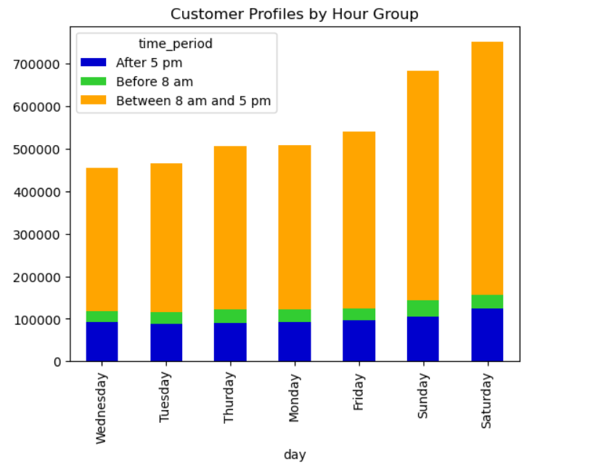
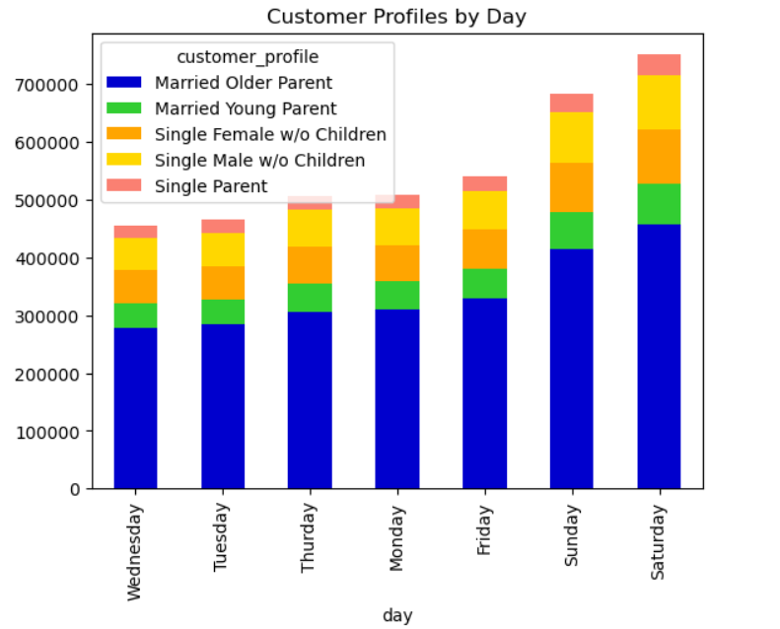

 | Each customer profile reflects the same distribution as noted at the aggregate level.

2. They also want to know whether there are particular times of the day when people spend the most money, as this might inform the type of products they advertise at these times.
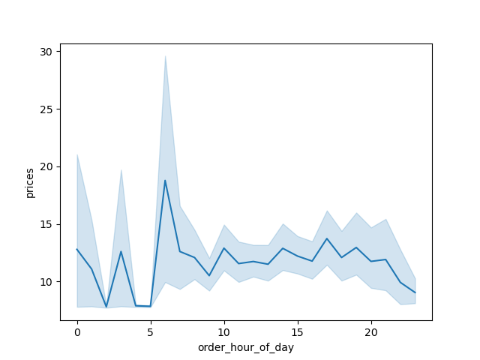

 | In the chart, it seems most money is spent between 6-7 am and between 3-6 pm. The least amount of money spent is between 9pm-12am.

3. Instacart has a lot of products with different price tags. Marketing and sales want to use simpler price range groupings to help direct their efforts.
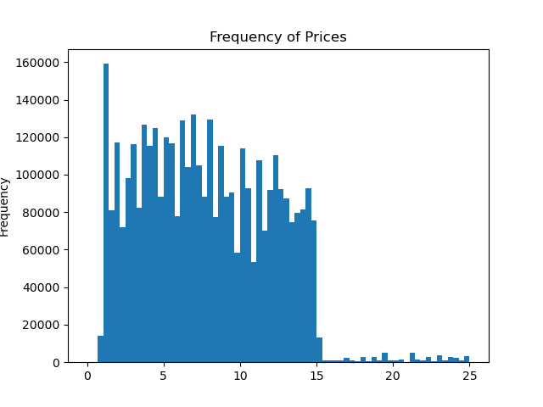
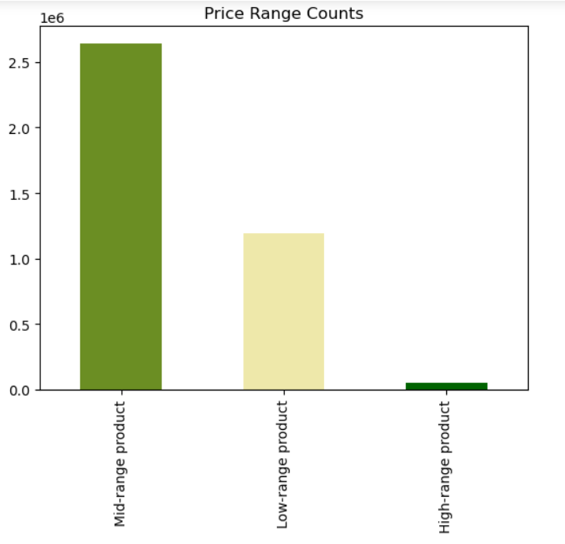

 | There's a huge reduction in order frequency for products that are over $15, with minimal trace. On the other hand, mid-range products have the very highest frequency. |  |  |  |  | The higher frequency of mid-range product orders is consistent across the customer profile groups.

 |  |  | To breakdown: a) 15 dollar products into mid-range products, priced between 6 - 15 dollars b) low-range products, priced less than 6 dollars c) high range products $15 or over

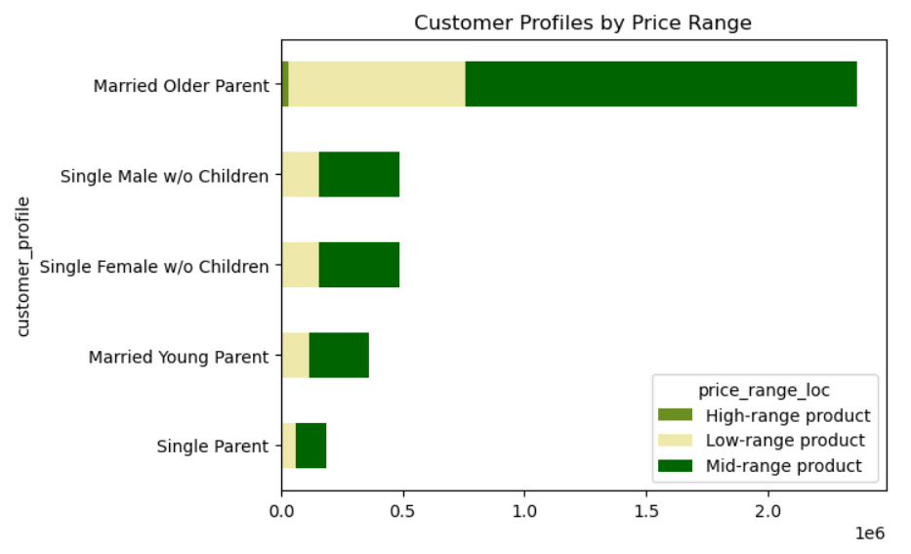
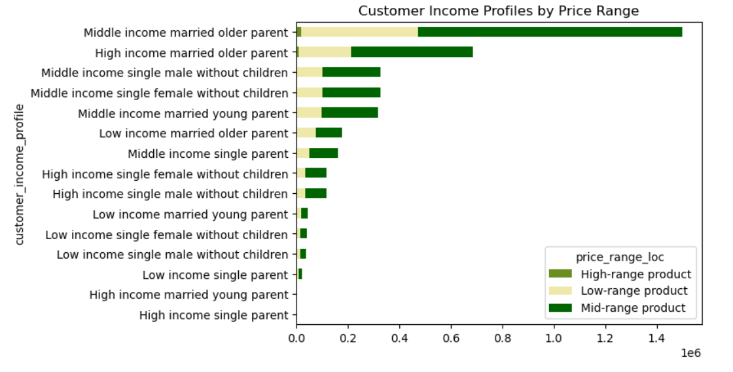

The higher frequency of mid-range product orders is also consistent across the customer income profile groups, regardless of customer spending power. |  |  |  |  |  | Closest customer profile with even splits between mid-range and low-range product orders for low income singles or low income married couples. However, for most categories, mid-range products are most common purchases.

4. Are there certain types of products that are more popular than others? The marketing and sales teams want to know which departments have the highest frequency of product orders.

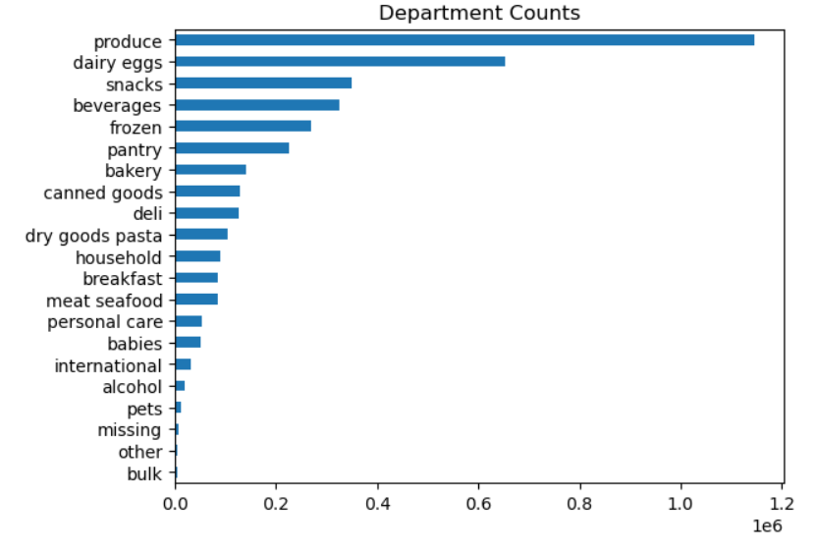
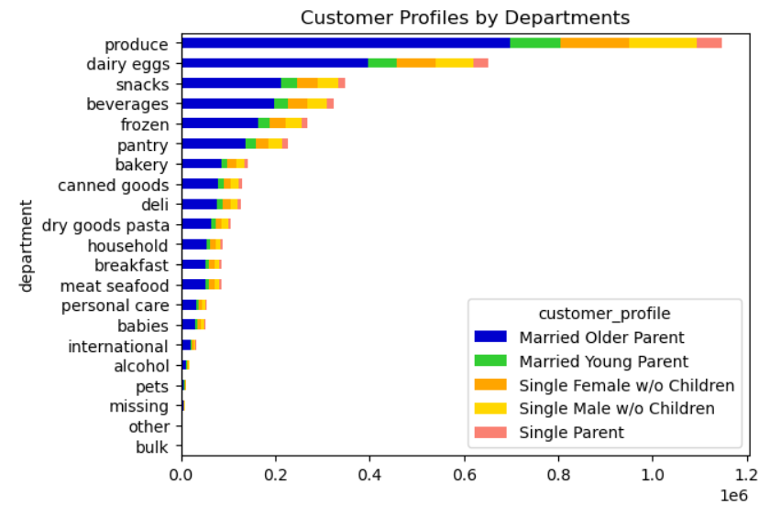

 | The five most popular departments are produce, dairy eggs, snacks, beverages, and frozen. However, produce department have most frequency compared to other departments by at least almost as twice as dairy eggs and three times more than other top 5 departments. The smallest frequencies are for alcohol, pets, international, other, and bulk. |  |  |  |  |  | The preference types of products for each department highly reflect distribution of customer profile, which targeting strategies are not required.

5. What’s the distribution among users in regards to their brand loyalty (i.e., how often do they return to Instacart)?
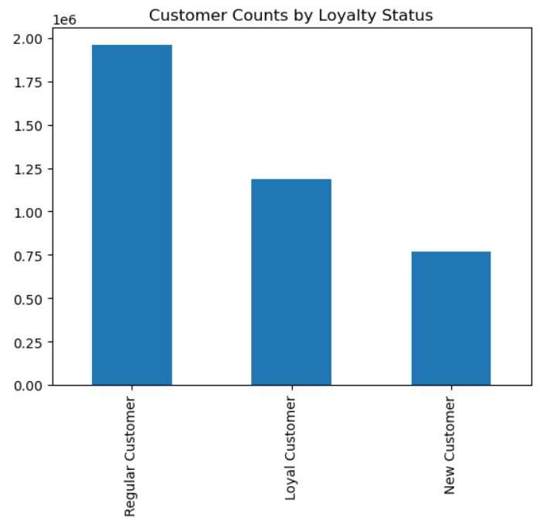
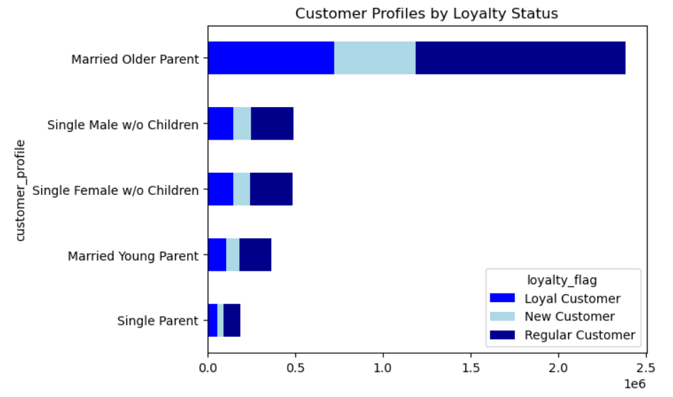

Most Instacart users are regular customers, having returned to Instacart between 11 - 40 times. Loyal customers are customers who have returned more than 40 times are in the middle frequency wise. The least frequent loyalty group are new customers, who have returned 10 times or less to Instacart. |  |  |  |  |  | Each customer profile group follows a very similar distribution pattern of loyalty flag, with higher frequency of regular customers and lower frequency of newer customers.

6. Are there differences in ordering habits based on a customer’s loyalty status?
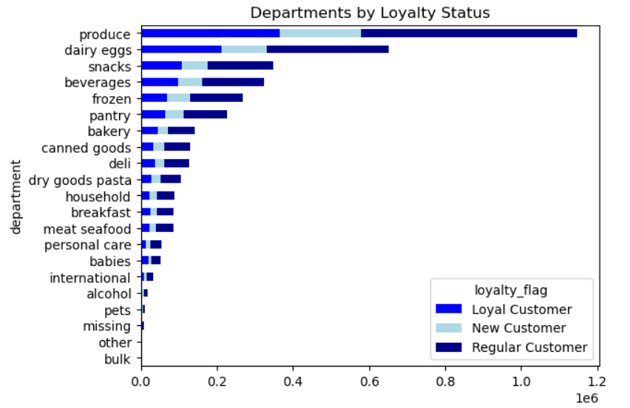

 |  | Each product department groups follows a very similar distribution pattern of loyalty flag, with higher frequency of regular customers and lower frequency of newer customers. However, it follows a very similar pattern to the loyalty groups of customers as well.

7. Are there differences in ordering habits based on a customer’s region?

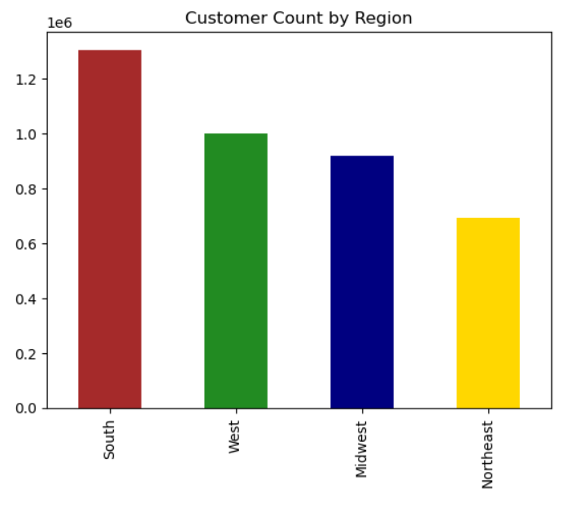

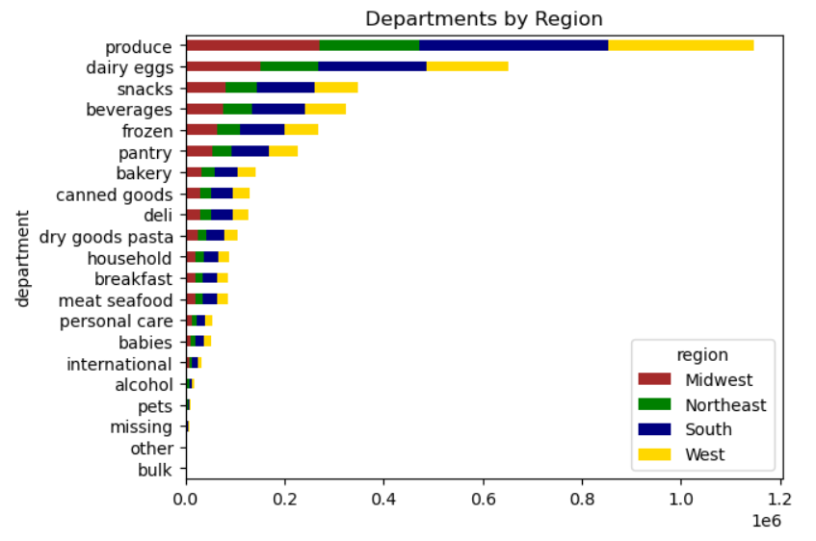

 | The South region has the highest frequency of orders, followed by the West and Midwest regions. The Northeast region has the lowest frequency of customer orders.
 |  |  |  |  |  |  | The distribution of regions by department sections of instacart is very similar to region distribution of orders. The South have highest percentage of orders, while the Northeast have lowest percentage of orders.

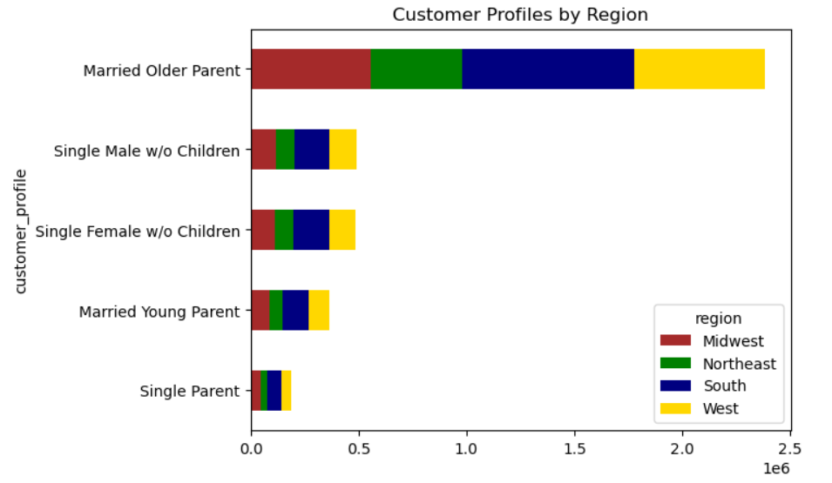
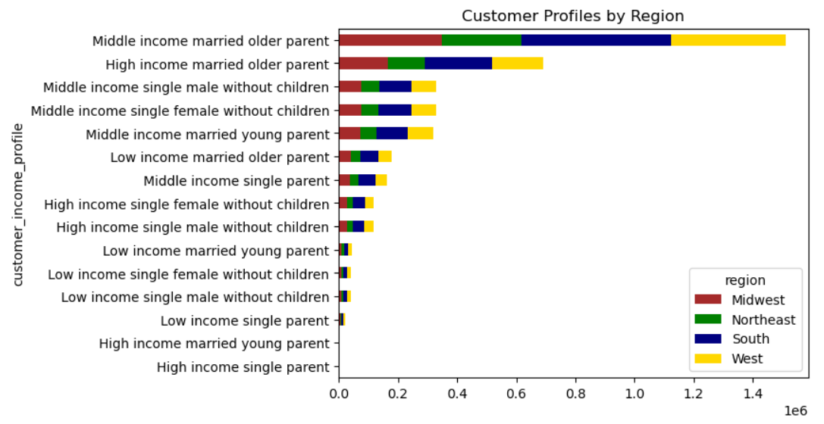

 |  | The distribution of regions by customer profile and customer income profile is very similar to region distribution of orders. The South have highest percentage of orders, while the Northeast have lowest percentage of orders.

8. Is there a connection between age and family status in terms of ordering habits?

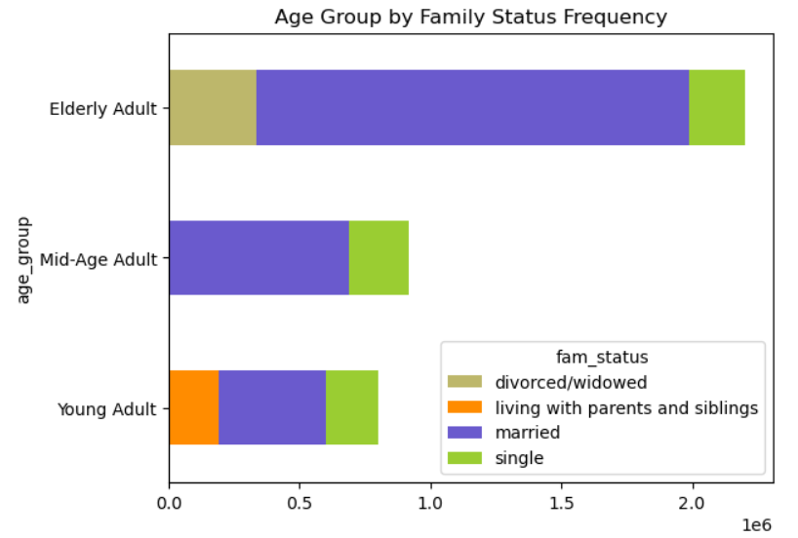

 |  | In all age region groups, married adults have the highest frequency of orders

9. What different classifications does the demographic information suggest? Age? Income? Certain types of goods? Family status?

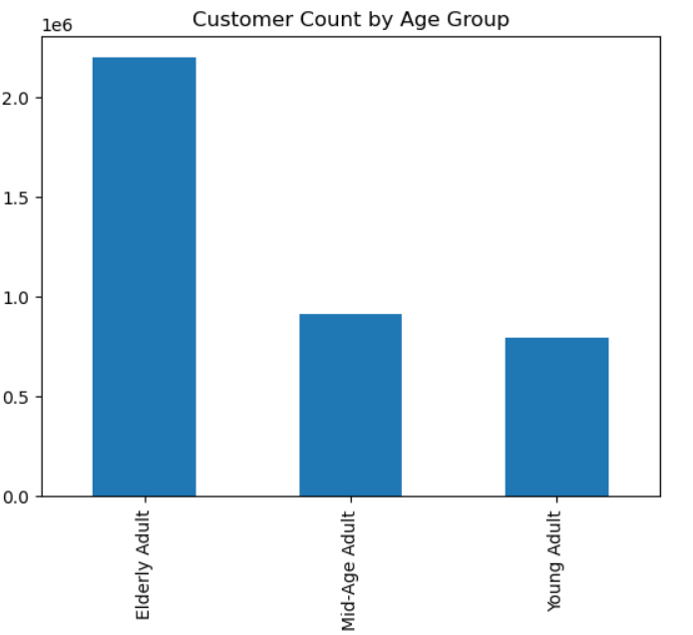
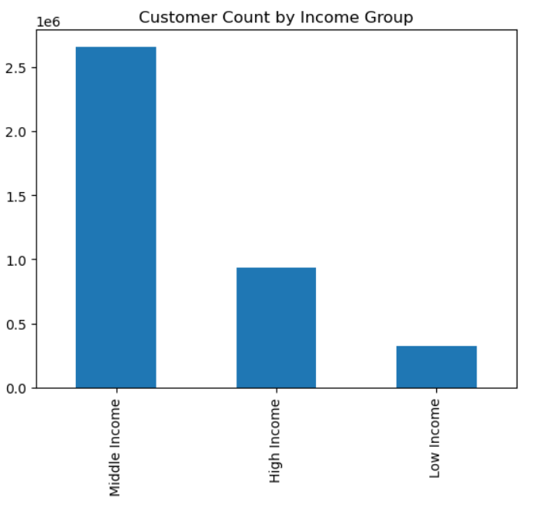

Elderly Adults have the highest frequency and Young Adults have the lowest frequency. Mid-Age adults have slightly higher frequency than Young Adults. |  |  |  | Middle income customers have the highest frequency of orders by more than 3 times the upper income group. On the other hand, Upper Income customers have more than 3 times the order frequency of the low income group. Low income group have smallest frequency of orders.

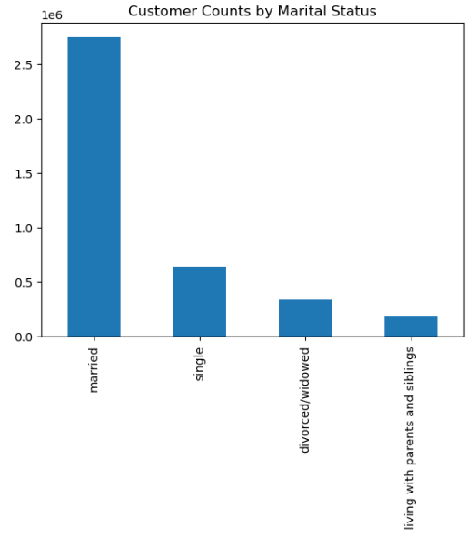

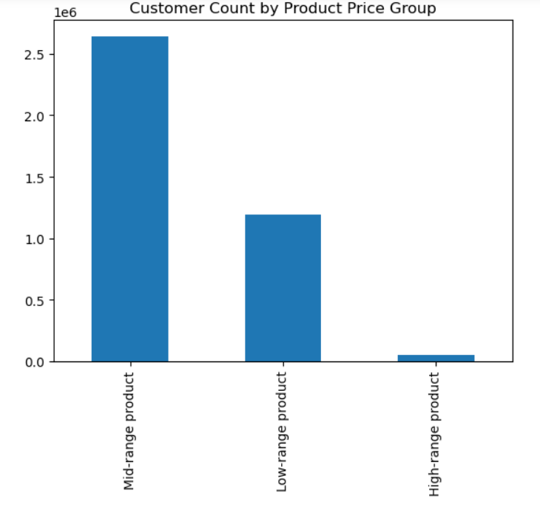

 | The mid-range products have the highest order frequency. Followed by the low-range products. The high-range products has only a very small number of orders, and has the least frequency. |  |  | The married customers have the highest frequency of orders, by a significant difference to the next highest group, the singles. The living with parents and siblings group has the least amount of orders.


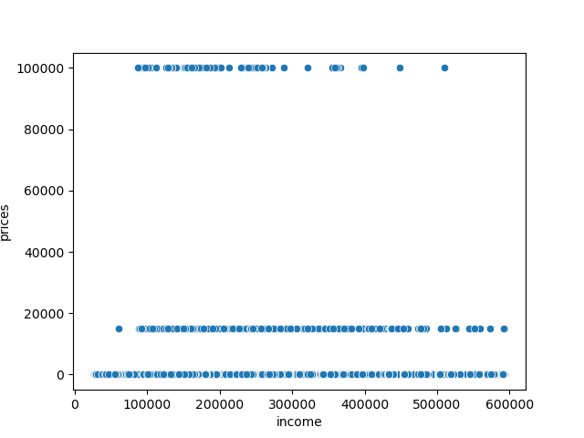

 | The scatterplot shows a notable increase in spending power after age 40. |  |  | We notice that as spending power increases past 30k, there is a decrease in the frequency of higher-priced (>$15) products being ordered. Surprisingly, higher-priced products are more frequently purchased by customers with less income/spending power.

10. What differences can you find in ordering habits of different customer profiles? Consider the price of orders, the frequency of orders, the products customers are ordering, and anything else you can think of.

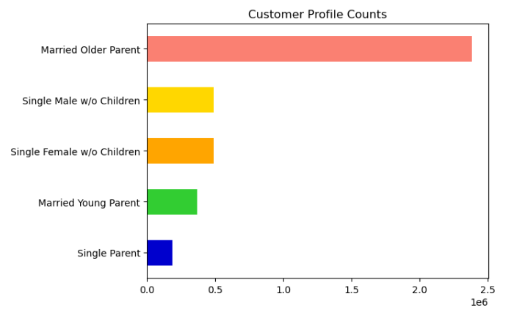
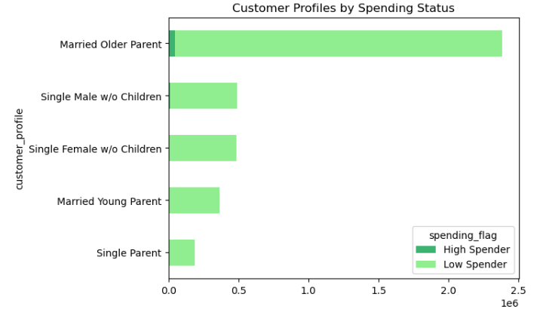

 | Orders for the married older parent profile greatly exceed the other profiles by more than 3 times. It's followed by the single male and female groups. The single parent customer profile has the least amount of orders. |  |  |  |  | Across all profiles, except for the married older parent customer profile, which has only a very low population of high spender customers, there is only the low spender status.

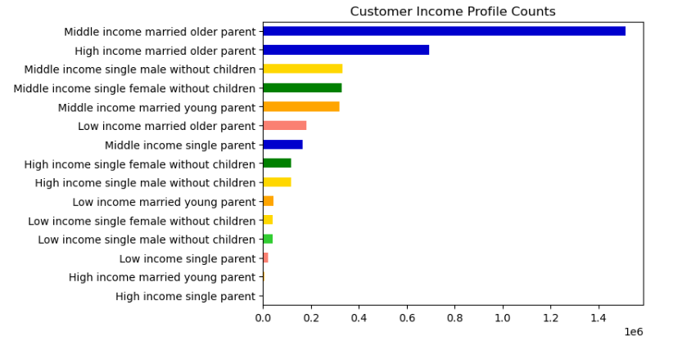
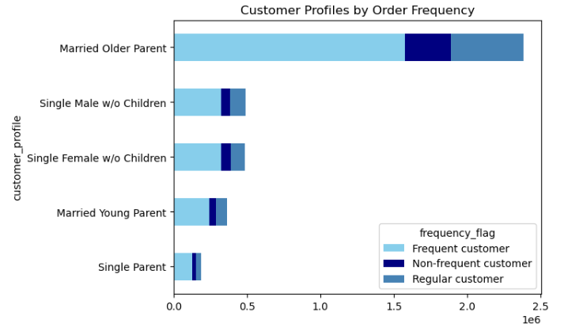

 | The middle income married older parent profile far exceeds the other customer income profile groups. The next group that follows, the upper income married older parent group, is a little less than half the order frequency. The customer income profile group with the least orders is the Upper income single parent profile. |  |  |  |  | Across all the customer profiles, the majority of customers fall into the frequent customer group. A very small population of each profile falls into the non-frequent customer group.

7. Recommendations
 |  |  | Title page

Recommendations

In this tab you should include any recommendations you would made to Instcart in terms of their marketing strategy based on the questions posed in the brief. Every key question has been covered in the Tasks of the Exercises - here you need to add an item - a visualisation or table/crosstable that is showing the answer in the data, acompanied by a comment from you. Please, list the questions below and add the answer underneath.

Question | Answer | Recommendation
1. The sales team needs to know what the busiest days of the week and hours of the day are (i.e., the days and times with the most orders) in order to schedule ads at times when there are fewer orders. | The busiest days of the week are Saturday and Sunday. Tuesday and Wednesday are the least busiest. Monday, Thursday, and Friday are in the middle ground. The busiest hours of the day ranges from 9am to 4pm during working hours. The least busiest hours are between 10pm to 7am. The order frequency start to climb at 7am, then peak in early afternoon until it slows down during early evening. | I would recommend scheduling ads right before slowest days and slowest hours. I will set them up on Sunday and Monday. Also, I will set up hours during early evening before slowest hours. Lastly, I will promote it on social media since it is most active during evenings.
2. They also want to know whether there are particular times of the day when people spend the most money, as this might inform the type of products they advertise at these times. | In the chart, it seems most money is spent between 6-7 am and between 3-6 pm. The least amount of money spent is between 9pm-12am. | Ironically, most money is spent during early morning when less orders I place. Also, high amount of money is also spent in late afternoons. I would recommend the sales team to promote sales on higher price tems right before 7am and during late afternoons when most money is spent. It will attract customers to those products. I would also recommend a reward incentive for ordering a high amount for each order. This will promote larger additional dollar purchase with incentives like free delivery or express delivery to promote the business.
3. Instacart has a lot of products with different price tags. Marketing and sales want to use simpler price range groupings to help direct their efforts. | There's a huge reduction in order frequency for products that are over $15, with minimal trace. On the other hand, mid-range products have the very highest frequency. The higher frequency of mid-range product orders is consistent across the customer profile groups, regardless of customer purchasing power and marital status groups. | Based on the statistics, I would recommend breakdown between >$15 products, mid-range items between $6-$15, and low range products below $6 to deterine which products sales the best from each price category.
4. Are there certain types of products that are more popular than others? The marketing and sales teams want to know which departments have the highest frequency of product orders. | The five most popular departments are produce, dairy eggs, snacks, beverages, and frozen. However, produce department have most frequency compared to other departments by at least almost as twice as dairy eggs and three times more than other top 5 departments. The smallest frequencies are for alcohol, pets, international, other, and bulk. | I recommend sending out ads, promos, and recommendations to instacart customers relavent to the top 5 most popular departments: produce, dairy eggs, snacks, beverages, and frozen. These information are based from history of orders made by customers.
5. What’s the distribution among users in regards to their brand loyalty (i.e., how often do they return to Instacart)? | Most Instacart users are regular customers, having returned to Instacart between 11 - 40 times. Loyal customers are customers who have returned more than 40 times are in the middle frequency wise. The least frequent loyalty group are new customers, who have returned 10 times or less to Instacart. | I will make the following two incentives: 1) For newer customers, once they pass 10 orders mark they get discount incentives 2) For regular custoers, once they pass 40 orders, they earn larger set of incentives for becoming loyal customers. 3) Those thresholds should be advertised to customers so that they become frequent loyal customers to instacart.
6. Are there differences in ordering habits based on a customer’s loyalty status? | Each product department groups follows a very similar distribution pattern of loyalty flag, with higher frequency of regular customers and lower frequency of newer customers. However, it follows a very similar pattern to the loyalty groups of customers as well. | I recommend sending out ads, promos, and recommendations to instacart customers relavent to the top 5 most popular departments: produce, dairy eggs, snacks, beverages, and frozen. These information are based from history of orders made by customers.
7. Are there differences in ordering habits based on a customer’s region? | The South region has the highest frequency of orders, followed by the West and Midwest regions. The Northeast region has the lowest frequency of customer orders. | I would recommend sending out ads, recommendations, and promotions in Northeast to boost the sales of the region. As product preference reflects similar geographic distribution, emphasis will be on top 5 departments for all regions.
8. Is there a connection between age and family status in terms of ordering habits? | In all age region groups, married adults have the highest frequency of orders. | I would recommend increasing ads to single customers with discount incentives to increase market shares of singles. It is because younger singles have lower income levels and are more willing to save for future investments.
9. What different classifications does the demographic information suggest? Age? Income? Certain types of goods? Family status? | Elderly Adults have the highest frequency and Young Adults have the lowest frequency. Mid-Age adults have slightly higher frequency than Young Adults. Middle income customers have the highest frequency of orders by more than 3 times the upper income group. On the other hand, Upper Income customers have more than 3 times the order frequency of the low income group. Low income group have smallest frequency of orders. The mid-range products have the highest order frequency. Followed by the low-range products. The high-range products has only a very small number of orders, and has the least frequency. The married customers have the highest frequency of orders, by a significant difference to the next highest group, the singles. The living with parents and siblings group has the least amount of orders. The scatterplot shows a notable increase in spending power after age 40. We notice that as spending power increases past 30k, there is a decrease in the frequency of higher-priced (>$15) products being ordered. Surprisingly, higher-priced products are more frequently purchased by customers with less income/spending power. | The demographic groups with lowest frequency of orders we should target on to increase proportion of customers are: 1) Young Adults 2) Low-Income Adults 3) Single Customers Mid-range products should be advertised more often because of higher order frequency than other price ranges. Because there is increased spending power for Elderly Adults, more ads that are catered to that age group should be made to increase sales. Ironically, higher priced items are bought by low income population. Because of that, we will focus less on higher price items since these items generate very low amount of orders compared to other items.
10. What differences can you find in ordering habits of different customer profiles? Consider the price of orders, the frequency of orders, the products customers are ordering, and anything else you can think of. | Orders for the married older parent profile greatly exceed the other profiles by more than 3 times. It's followed by the single male and female groups. The single parent customer profile has the least amount of orders. The middle income married older parent profile far exceeds the other customer income profile groups. The next group that follows, the upper income married older parent group, is a little less than half the order frequency. The customer income profile group with the least orders is the Upper income single parent profile. Across all the customer profiles, the majority of customers fall into the frequent customer group. A very small population of each profile falls into the non-frequent customer group. Across all profiles, except for the married older parent customer profile, which has only a very low population of high spender customers, there is only the low spender status. | The married older parent profile have highest frequency of orders among all customer profiles. Within that profile, middle income married older parents are the most prevalent. Almost all of the customers are categorized as low spender customers. For all customer profiles, majority of the customers are frequent customers and small population of them are non frequent customers. I analyzed product preferences, produce prices, spending status, loyalty status, distribution by region for this report. I would recommend maintaining a similar marketing strategy focusing more on Northeast USA, young adult, and single adults who have lowest market share. New targeted ad campaign should run outside working hours before 7 am and after 6pm. Here are the following highlights that should be emphasized in the recommended marketing campaign: 1. Products from top 5 departments: produce, dairy eggs, snacks, beverages, and frozen 2. Mid range price products 3. Sales on high priced items only at specific times: right before 7am and during late afternoons 4. Discounts, promos, and incentives when customers hit 10 orders mark and 40 orders mark when customer loyalty status changes 5. Free or Express delivery incentives once the order hits certain dollar amount to promote higher sale per order

